netflix_dashboard
Netflix Dashboard

Total_Titles | Total_Movies | Total_Tv Shows | Unique_Countrys
8808 | 6131 | 2676 | 741
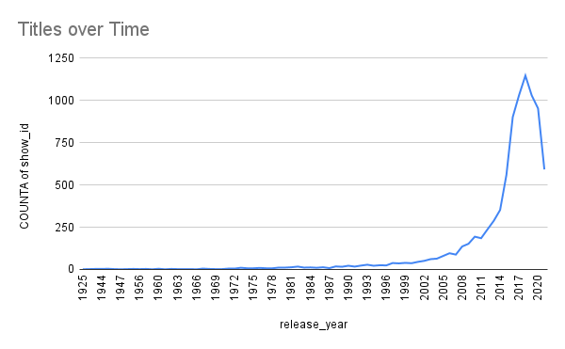

Movies vs. TV Shows
Genre

release_year
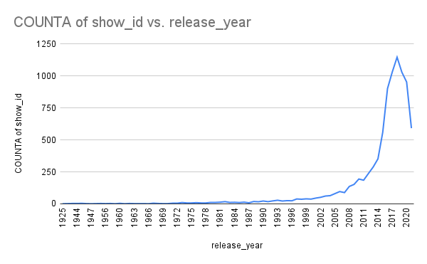

_

listed_in
COUNTA of show_id vs. listed_in

type
COUNTA of show_id

